1. Title Page
[Instacart Data Report]

Project Name: Instacart Basket Analysis
Date: 11 November 2023
Analyst Name: Bradley Dubbelman

Contents:
Population Flow
Consistency checks
Wrangling steps
Column derivations
Visualizations
Recommendations

Citation: | “The Instacart Online Grocery Shopping Dataset 2017”, Accessed from www.instacart.com/datasets/grocery-shopping-2017 via Kaggle on <date>. "Customers" dataset and "Prices" column in "Products" dataset were fabricated for learning purposes.

2. Population Flow
 |  |  | Title page

Population flow

Exclusion flag
Condition: max_order < ?
Obervations to be removed: 3 421 381
Final total count of order_products_all: 32 690 093

Orders_products_combined
Orders_products_merged
Orders_products_all

Total:
Total:
Total:
32,434,212 | 32,483,884 | 32,690,093

1.) The grey boxes in the first row of the population flow represent the original data sets as they were when you downloaded them. In the Total fields you need to add the count of the rows when you imported the data set into Jupyter.
2.) The second row of boxes (coloured) represents the data sets after you manipulated them, e.g., removed missing values and duplicates. In the Total fields you need to add the count of the rows after conducting these operations. This offers a visual oveview of how the data flows throughout the data consistency checks.
3.) The third row, where also the arrows are coloured, represents the merges you performed between the datasets. In the Total fields you need to add the count of the rows in the merged datasets, so that you end up with the final dataset (in the red box). Keep in mind the final dataset should be without exclusions (based on the exclusion flag).

3. Consistency checks
 |  |  |  | Title page
Consistency checks

Dataset | Missing values | Missing values treatment | Duplicates
orders | days_since_prior_order (206 209) | Filtered out the missing data by creating a new DF | None found
products | product_name (16) | Filtered out the missing data by creating a new DF | 5 duplicated found
orders_products_prior | None | NA | None found
customers | None | NA | None found

4. Wrangling steps
 |  |  |  |  |  | Title page
Wrangling steps

Dataset | Transposed | Columns dropped | Columns renamed | Columns' type changed | Comment/Reason
orders |  | eval_set |  |  | Not needed for the analysis.
 |  |  | order_dow -> order_day_of_the_week |  | Renamed a column to give a more descriptive name.
 |  |  |  | order_id: int64 -> str | ID column, changed data type to exclude the column from descriptive statistics.
 |  |  |  | user_id: int64 -> str | ID column, changed data type to exclude the column from descriptive statistics.
 |  | Unnamed: 0 |  |  | Duplicated index column, not needed.
department | wide format -> long format |  |  |  | Transposed to merge with another dataframe, based on department_id column.
orders_products_combined |  | _merge |  |  | Merge flag that was used to check the result of merging two dataframes, not needed anymore.
customers |  |  | First Name -> first_name Surnam -> last_name STATE -> state |  | Renamed columns to keep the consistency in names.
 |  |  |  | user_id: int64 -> str | ID column, changed data type to exclude the column from descriptive statistics.
orders_products_flagged |  |  |  | user_id: int64 -> str | Changed data type to merge with 'customers' dataset.
 |  | _merge |  |  | Merge flag that was used to check the result of merging two dataframes, not needed anymore.
orders_products_customers_merged |  | first_name last_name |  |  | PII data with security implications
departments_wrangled |  |  | Unnamed: 0 -> department_id |  | Renamed key column to merge two dataframes.
orders_products_customers_merged |  | 'Unnamed: 0.1 | Irrelevant to analysis |  | irrelevant to analysis
orders_products_customers_merged |  | Unnamed: 0_x | Irrelevant to analysis |  | irrelevant to analysis
orders_products_customers_merged |  | Unnamed: )_y | Irrelevant to analysis |  | irrelevant to analysis

5. Column derivations
 |  |  |  | Title page

Column derivations and aggregations

Dataset | New column | Column/s it was derived from | Conditions
orders_products_merged | price_range_loc | prices | if 'prices' <= 5, then 'Low-range product' if 'prices' > 5 and <= 15, then 'Mid-range product' if 'prices' > 15, then 'High-range product'
orders_products_merged | busiest_days | order_day_of_the_week | if 'order_day_of_week' = 0 or 1, then 'Busiest day' if 'order_day_of_week' = 4 or 3, then 'Least busy' else 'Regular day'
orders_products_merged | busiest_period_of_day | order_hour_of_the _day | if 'order_hour_of_day' = [10, 11, 14, 15, 13, 12, 16, 9], then 'Most orders' if 'order_hour_of_day' = [17, 8, 18, 19, 20, 7, 21, 22], then 'Average orders' else 'Fewest orders'
orders_products_new_variables | max_order | user_id, order_number | Group data by user_id and find max within 'order_number' column
orders_products_new_variables | loyalty_flag | max_order | if 'max_order' <= 10, then 'New customer' if 'max_orders' > 10 and <= 40, then 'Regular customer' if 'max_order' > 40, then 'Loyal customer'
orders_products_new_variables | mean_price | user_id, prices | Group data by user_id and find mean within 'prices' column
orders_products_new_variables | spending_flag | mean_price | if 'mean_price' < 10, then 'Low spender' if 'mean_price' >= 10, then 'High spender'
orders_products_new_variables | median_order_day | user_id, days_since_prior_order | Group data by user_id and find median within 'days_since_prior_order' column
orders_products_new_variables | order_freq_flag | median_order_day | if 'median_order_day' <= 10, then 'Frequent customer' if 'median_order_day' > 10 and <= 20, then 'Regular customer' if 'median_order_day' > 20, then 'Non-frequent customer'
orders_products_customers_merged | regions | state | if state = ['Maine','New Hampshire','Vermont','Massachusetts','Rhode Island','Connecticut','New York','Pennsylvania','New Jersey'], then 'Northeast' if state = ['Wisconsin','Michigan','Illinois','Indiana','Ohio','North Dakota','South Dakota','Nebraska','Kansas','Minnesota','Iowa','Missouri'], then 'Midwest' if state = ['Idaho','Montana','Wyoming','Nevada','Utah','Colorado','Arizona','New Mexico'], then 'West', else 'South'
orders_products_customers_merged | user_activity_flag | max_order | if 'max_order' < 5, then 'Low activity' if 'max_order' >= 5, then 'Normal activity'
active_customers_departments_merged | age_group | age | if 'age' >=18 and <30, then '18-29 years old' if 'age' >=30 and <50, then '30-49 years old' if 'age' >=50 and <65, then '50-64 years old' if 'age' >=65 and <=81, then '65-81 years old'
active_customers_departments_merged | income_group | income | if 'income' <= 65000, then 'Low income' if 'income' > 65000 and <= 145000, then 'Medium income' if 'income' > 145000, then 'High income'
active_customers_departments_merged | marital_dependant_group | marital_status | if 'fam_status' = ['divorced/widowed', 'single'], then 'Single without dependants' if 'fam_status' = 'living with parents and siblings', then 'Single with dependants if 'fam_status' = 'married', then 'Married with dependants'

6. Visualizations
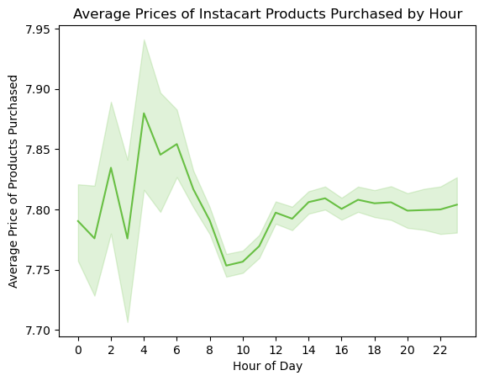

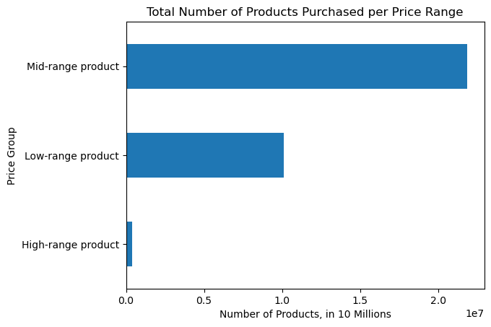
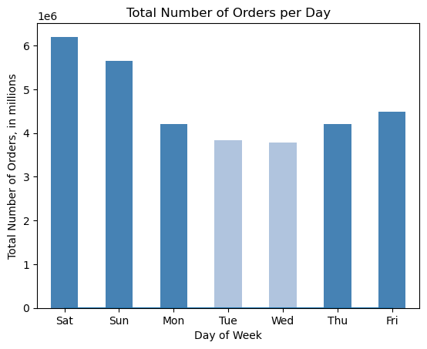
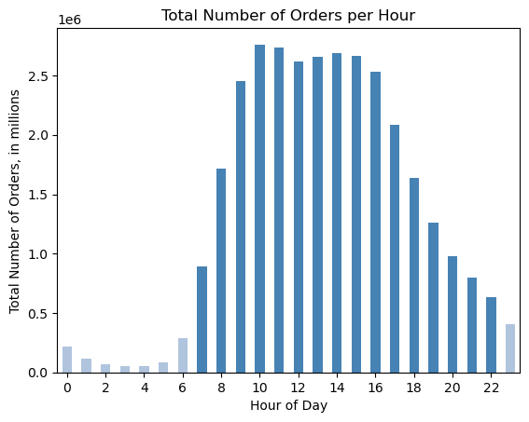
 |  | Title page

Visualisations

CUSTOMER PROFILING: The bar charts below provide a deeper understanding of Instacarts customers segmented by Age distribution, Income Group, and Marital Status ANALYSIS: The Majority of Instacarts customers are those married with dependents with medium income. Most customers fall into the 30-49; and 65-81 year old category.

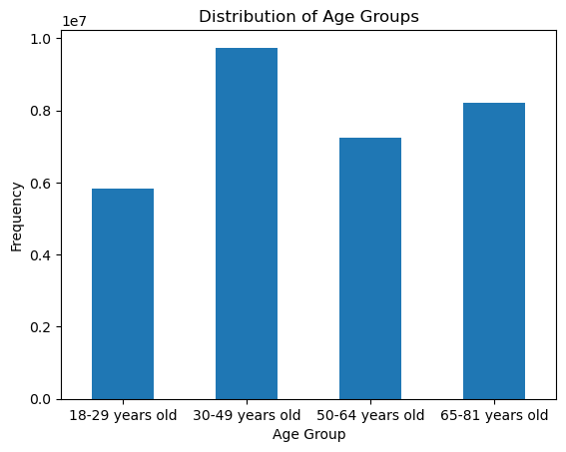
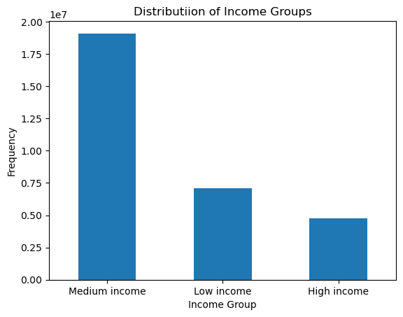
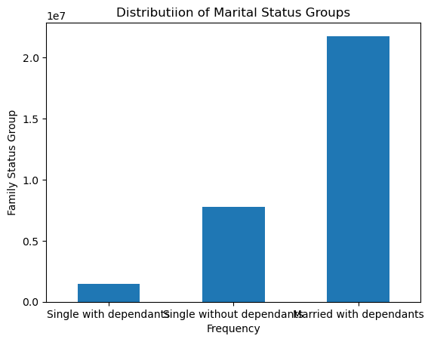

DEPARTMENT PROFILING: The bar charts below provides an analysis on how each Department ids performing relative to eachother ANALYSIS: Produce and Dairy Eggs are rank significantly higher in therms of the deprtamental categories that are purchased the most frequently and generate the most income. While Dairy Eggs has by far the highest average relative price, Product ranks amongst the middle price values indicating that a high volume sales.

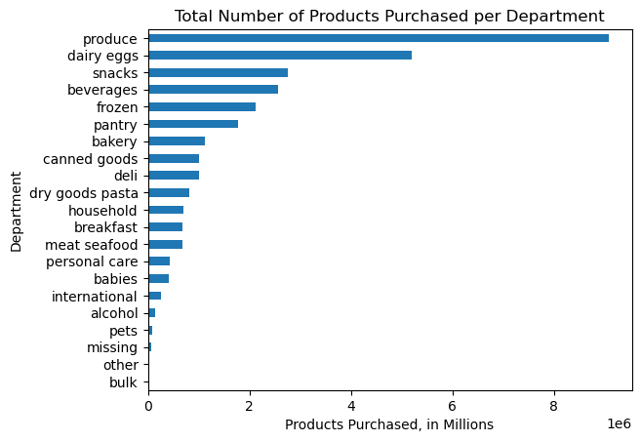
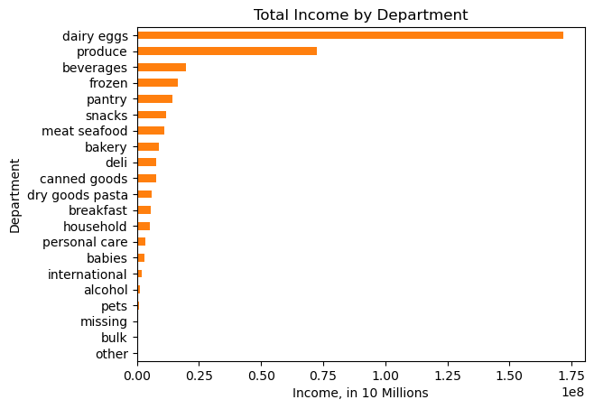
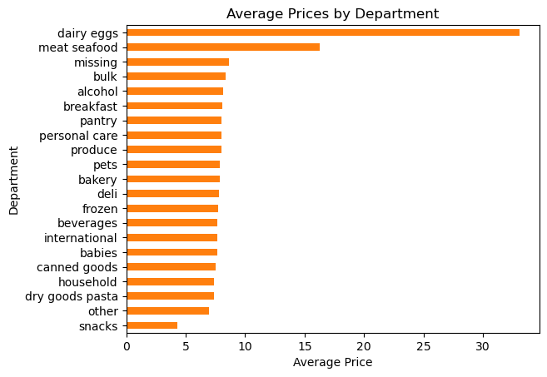

 | CUSTOMER AND DEPARTMENTAL PROFILING: The charts below depict how different customer segments relate to different Departments ANALYSIS: Medium income groups and those married with dependents make up a significant customer segment for Instacart, which is demonstrated across department sales.

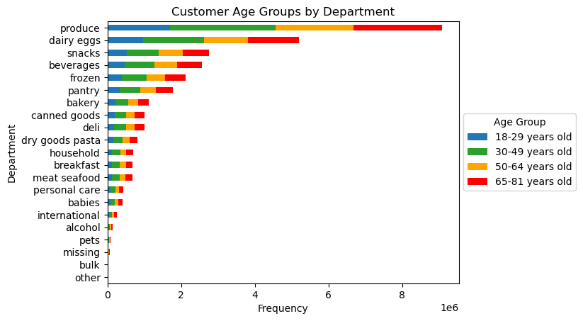
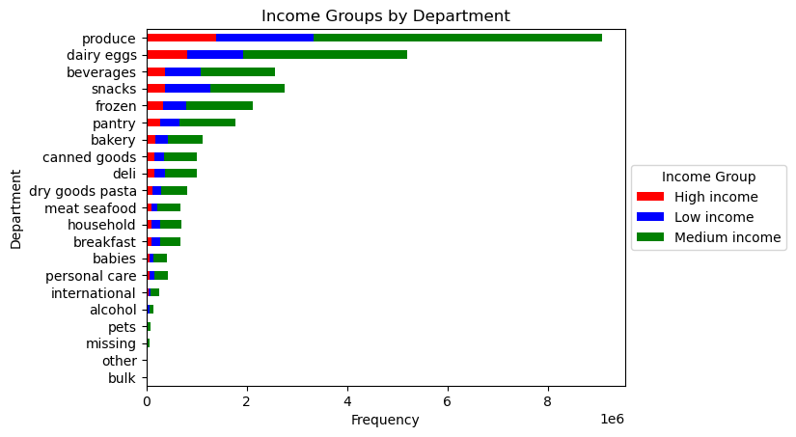
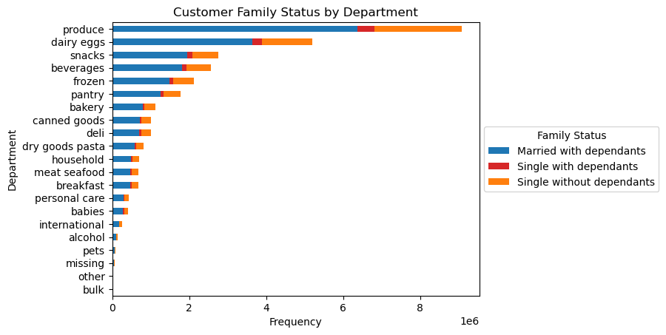

 | REGIONAL ANALYSIS: The charts below show how various regional customer dynamics relate to Instacart

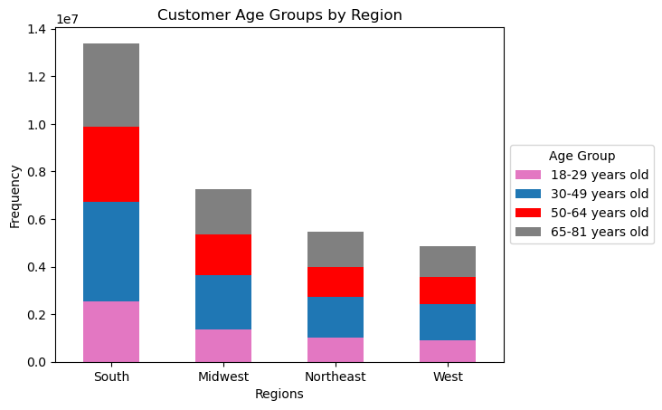
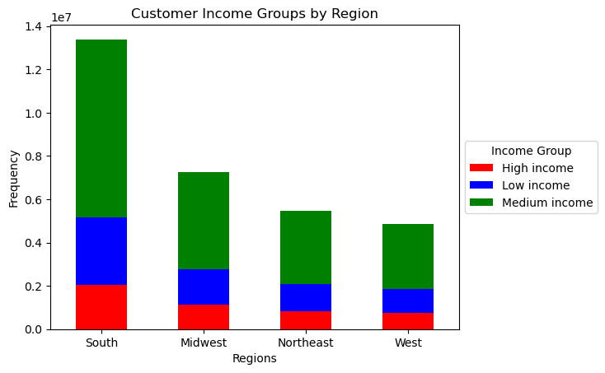
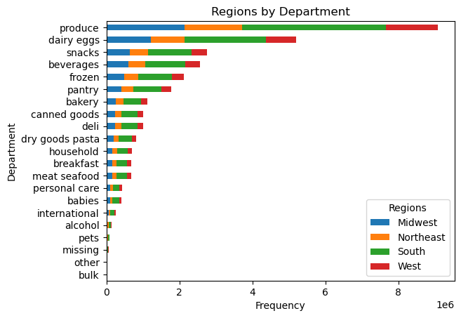

 | PRICE ANALYSIS The charts below reflect prices according to various dynamics around customer behaviour

7. Recommendations
 |  |  | Title page

Recommendations

The analysis conducted provides insight of how, who and when to target our customer base through targeted advertising and marketing. Overall reccomendations include the following: - Loyal customers bring in porportionately more revenue despite their relatively small size. Introduce rewards systems and loyalty schemes to ensure customer retention. - Marketing spend should focus on weekdays between 6am-6pm (but less so between 9-11am where customer activity drops off) - A majority of sales are derived from the Southern Region indicating a high level of loyalty, consider directing spend to other regions to grow the overall regional customer base. - There is no notable difference between demographic groups and purchasing behaviour - While dairy eggs and produce are the most popular departments, consider directing marketing spend to less performing departments to increase sales volume and make Instacart less reliant on a handful of depratments for the majority of it's revenue to minimize risk

Question |  | Answer
Key Question 1 | What are the busiest days of the week and hours of the day (i.e., the days and times with the most orders) to schedule ads at times when there are fewer orders. | Workdays from 6am - 6pm, with boosting on a Wednesday and Thursday
Key Question 2 | Are there particular times of the day when people spend the most money, as this might inform the type of products to advertise at these times. | Most money is spent between 4 am to 6 aam The lowest spending are within 9-11 a.m.
Key Question 3 | Instacart has a lot of products with different price tags. Marketing and sales want to use simpler price range groupings to help direct their efforts. | Products prices should be divided into the following groups: - low-range products (below $5), - mid-range products (from $5 to $15), - high-range products (above $15).
Key Question 4 | Are certain types of products more popular than others? | The most popular products are predominantly produce, dairy eggs and less so snacks, beverages, frozen, and pantry. While these products are doing well, depratments such as bulk, pets, and alcohol which are not performing well should be considered to boost sales
Key Questions 5 | 5.1. What is the distribution of customers in terms of the brand loyalty? 5.2. Are there any differences in ordering habits between different loyalty status? | The company's customers can be classified as new, regular, and loyal customers. New Customers: majority of customers who spend slightly more per product relative to other groups, however they generate the lowest income. Regular customers: bring in almost half of the income. Loyal Customers: Represent the smallest group at less than 10% and spend on average less money per product but bring in almost one-third of the income indicating that they are high value customers.
 | 5.3. Are there any differences in ordering habits based on the customers regions? | All regions have more low-spending customers than high-spending, and the same type of products are popular across all regions. South region marginally generates the highest income and where most of Instacart's customers are derived from, but the difference is minor.
 | 5.4. What might be different customers classifications based on the demographic charcteristics? | Age, income and family status.
 | 5.5. How do the ordering habits differ based on the customer profile? | Customers that belong to the low-income group spend on average less per product compared to people with higher income who are more valuable. The same type of products are purchased regardless of demographic profile.

